Note
Instruction

1. Get the Bing Map API Key by contacting CDT's GIS team

Office of Digital Information
(916) 431-5449
gio@state.ca.gov

2. Update the BingMapsApiKey in Queries

Data > Queries & Connections > BingMapsApiKey

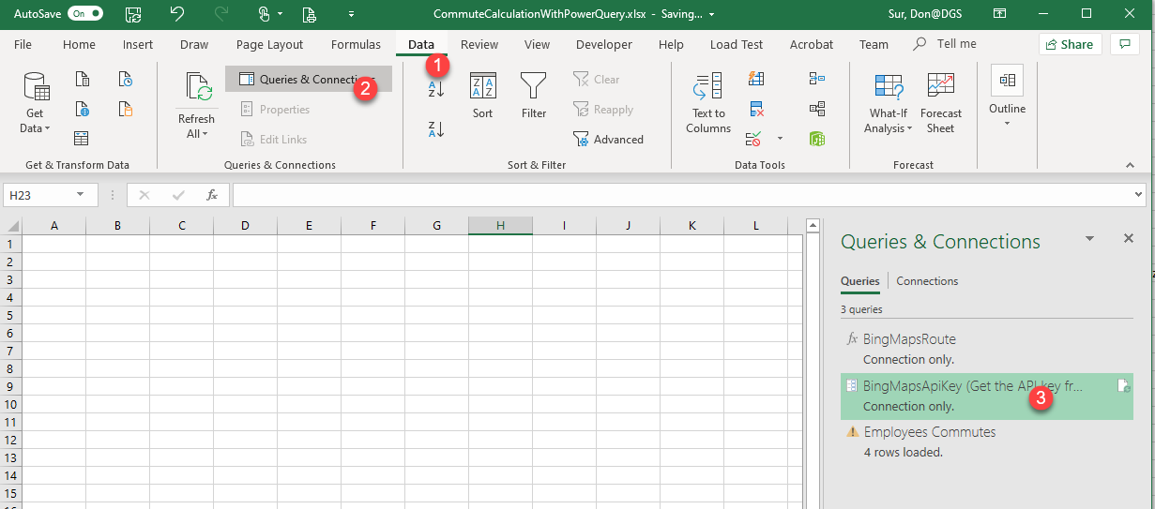

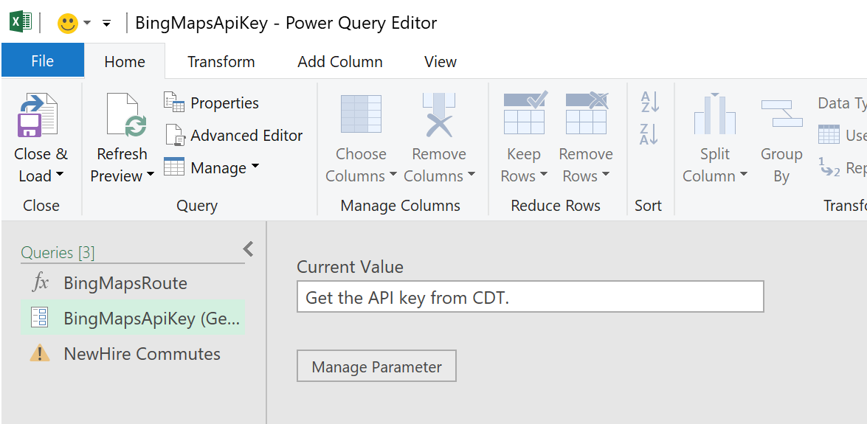

3. Update Input tab with employees' home and work addresses

4. Refresh "Employees Commutes" query
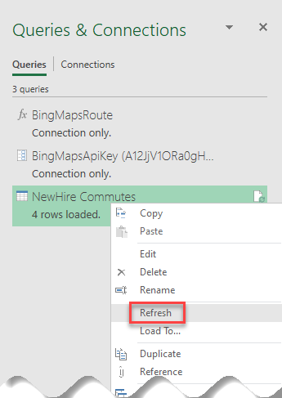

5. Get the commute data from the Output tab

